IMPORTANT INSTRUCTION
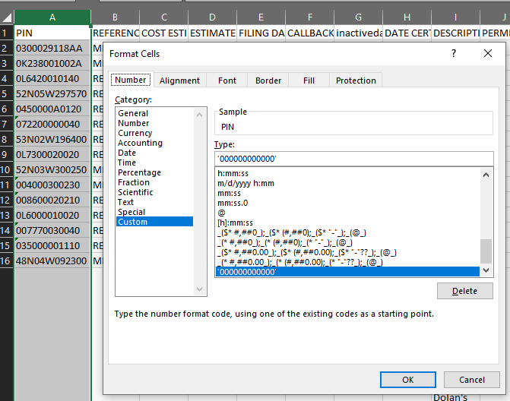
Solution:
This has been tested and verified. J

We need to re-format the CSV PIN column before importing or we'll be missing some of the PINs and permits. That’s why I’ve been having issues importing County Permits, because those PINs are more commonly ones with leading 0’s. City permits start with the city letter C, P, etc.

'000000000000'

Keep First '0' When Importing a CSV File
https://help.salesforce.com/s/articleView?id=000387891&type=1
Steps to retain initial '0' when importing a CSV into Excel:
1. Once you open the CSV file, right-click the column letter and select Format Cells.
2. Then choose Custom, and set the format to '00000000.' The number of 0's should indicate the number of characters desired in the field, including the 0's. If the field value is 012345, then the custom format should be '000000' to indicate 6 digits with the 0.
3. This will add the leading '0' to all cells from which it is missing. And when you save it as .csv, it will export the leading '0' in the output file.
4. Use a true text editor such as Windows Notepad or Apple TextEdit.app to view the leading zeros in the column.
5. Now you can use the CSV file to import your records.

